Use Case Diagram
Administrator
Travel Agent (Or Tourist)
Load a network of subway lines.
Get Directions
Represent subway lines and stations along each line.
Load multiple subway lines into the program.
Figure out a valid route between two stops.
Print directions for a particular route.

UML Diagram
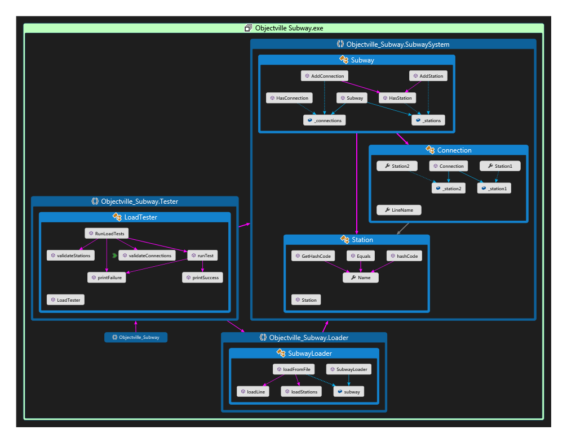
Subway Loader
loadFromFile(File): Subway
Subway
addStation(String)
addConnection(String, String, String)
hasStation(String): boolean
Station
name: String
getName(): String
equals(Object): boolean
ID(): int
Connection
lineName: String
getStation1(): Station
getStation2(): Station
getLineName(): String
*
stations
*
connections
1
1
station1
station2

Subway Loader
loadFromFile(File): Subway
Subway Printer
printDirections(Connection[*])
Subway
addStation(String)
addConnection(String, String, String)
hasStation(String): boolean
hasConnection(String, String, String): boolean
getDirections(String, String): Connection[*]
Station
name: String
getName(): String
equals(Object): boolean
ID(): int
Connection
lineName: String
getStation1(): Station
getStation2(): Station
getLineName(): String
*
stations
*
connections
1
1
station1
station2

